Purpose & Scope
Document Purpose

 | The purpose of this combined User/System Requirements Specification (USRS) document is to describe the requirements for the intended use of SDT Booking application for the APAC region. User requirements are written from the user’s perspective and document the intended use of the computerized system. Requirements are separately specified and uniquely traceable, and shall be used as the basis for testing.
Scope

 | Intended Use

 | SDT Booking is a Web application optimizing the assignment and scheduling of field service engineer (FSE) visit to customer sites. The optimization is based on different criteria including FSE skills, FSE availability, location and priority of the Request for Service (RFS). SDT Booking is interfaced with the Siebel system that is used to manage RFS life cycle from initiation till closure. When the Customer Service Centers (CSC) Agent (CSCA) needs to dispatch an FSE, the CSCA uses the SDT Booking Web App to send the RFS details to ClickSchedule (Read Click Software). ClickSchedule is used to recommend the FSE to be assigned to a RFS based on FSE skills, home location, installed base (product & customer address) & contract information details (SLA). Once the assignment is confirmed by the FSE, ClickSchedule gets the FSE assignment recorded into Siebel using the Siebel Updated API's. In case the assignment is rejected by the FSE, ClickSchedule attempts to assign the RFS to another FSE. Linkage between user requirements and system requirements shall be maintained in the SRS section of this USRS.
 | Inclusions
 | As per SDT Validation and Test Plan, the following SDT modules are in scope for this document: • SDT Booking Application
 | Exclusions
 | As per SDT Validation and Test Plan, the following SDT modules are out of scope for this document: • ClickSchedule (this is the 3rd party click software) • ClickMobile
 | Interfaces Overview
 | Provide a high level overview or simple block diagram of systems and interfaces interacting with this application, and their GxP relevance.

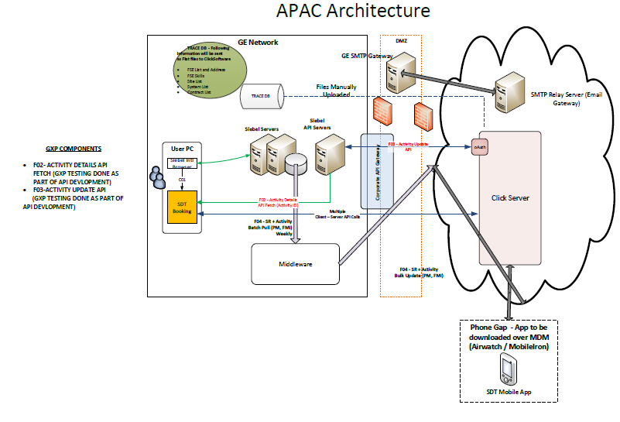

Definitions
 | The definitions in the table below apply to specialized terms used in this document:
 | Term | Definition
 | GEHC | GE Healthcare
 | MWS | MyWorkshop; GEHC Electronic Document Management System
 | ClickMobile | This is an iPhone App used by FSEs to manage their visits
 | ClickSchedule | This is an enterprise application that provides way of scheduling service personnel and other field resources.
 | RFS | Request for Service
 | CSC | Customer Service Center

References

 | The table below lists reference documents and their identification number:
 | Ref ID | Document Description | Document ID
 | [1] | IT&PE Compliance Standard | DOC0376275
 | [2] | SDT Booking GxP Assessment | DOC1744258
 | [3] | SDT Booking Validation & Test Plan | DOC1757332
 | [4] | SDT Technical Architecture Description | DOC1757330

